Hold No. 1
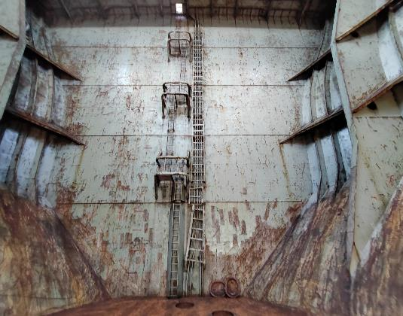 | 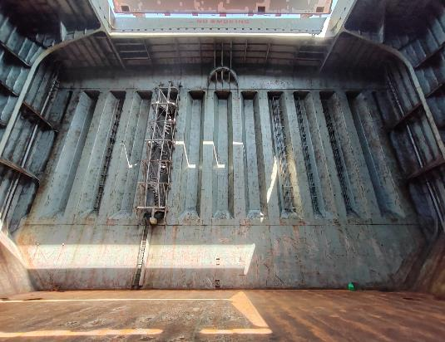 | 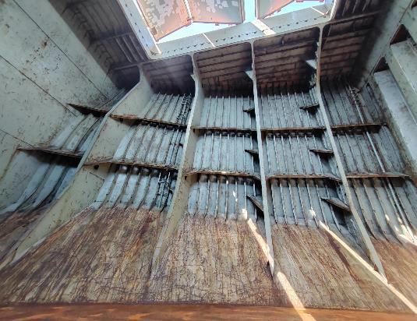 | 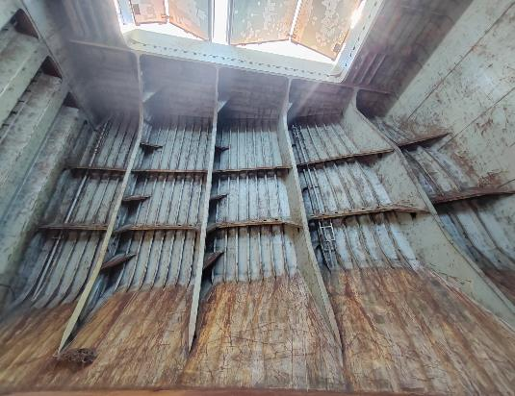
Forward Bulkhead | AFT Bulkhead | Starboard Side Bulkhead | Portside Bulkhead
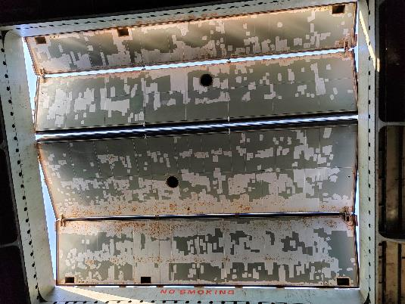 | 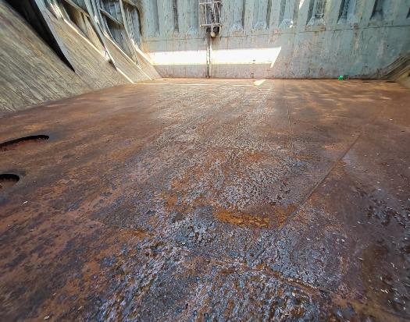 | 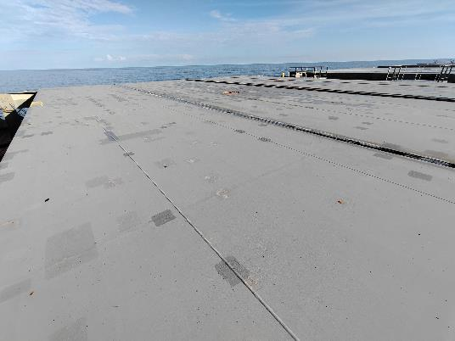
Underside of hatch cover covering full area. | Bottom floor of cargo hold | Top of hatch cover
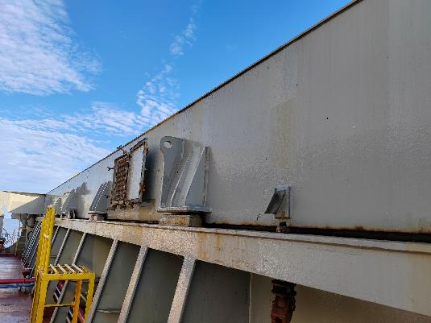 | 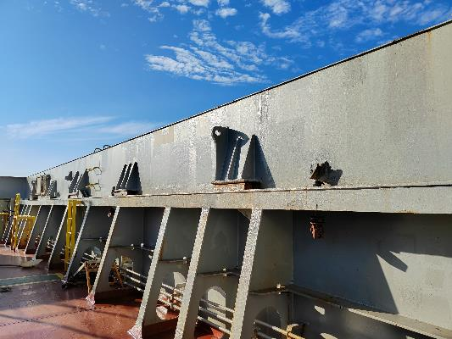 | 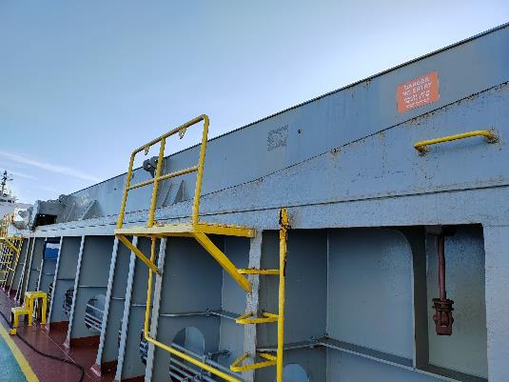 | 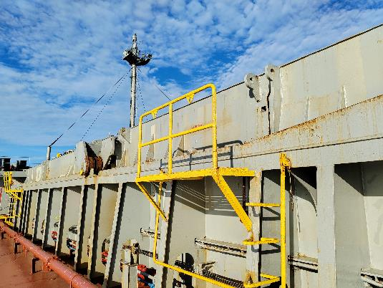
Hatch cover area on the main deck forward side | Hatch cover area on the main deck AFT side | Hatch cover area on the main deck starboard side | Hatch cover area on the main deck port side

